charge port
Bolt RE Project

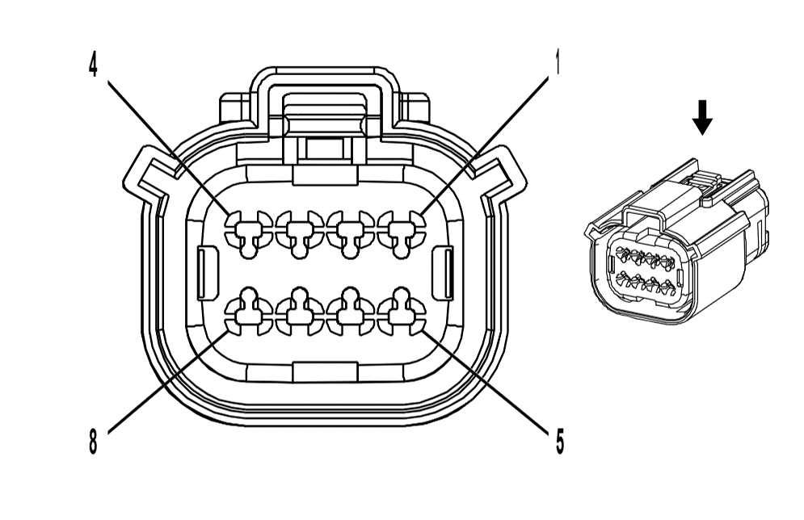
 | Connector | Battery Charger Receptacle X2
 | OEM Part # | 15456954
 | Service Part # | service by assembly
 | Type | 8-way F 150 MX series Sealed (BK)

 | Terminal/tray
 | Core/insulation crimp
 | Release tool

Pin | Wire | Function
1 | WH/GY | Battery Charger Receptacle Lock Actuator Position Sensor 5 Volt reference
2 | YE/GY | Battery Charger Receptacle lock actuator Position Sensor signal
3 | D-GN/VT | Battery Charger Receptacle lock actuator Position Sensor ground
4 | VT/BN | Charge port door switch signal
5 | GY/D-BU | charge port paddle temperature sensor signal
6 | BK/D-BU | charge port paddle temperature sensor low reference
7 | BN/YE | charge port valve motor close control
8 | D-BU/WH | charge port valve motor open control

